CHS
END PLATE |  |  |  |  |  |  |  |  |  |  |  |  |  |  |  |  |  |  |  |  |  |  | 1 | 2 | 3 | 4 | 5 | 6 | 7 | 8 | 9 | 10 | 11 | 12 | 13 | 14 | 15 | 16 | 17 | 18
S.No. | DESCRIPTION | NOTATION | FORMULA/VALUE | UOM | REMARKS |  | To check individual design, enter id in cell "H3" |  |  |  |  |  | UOM | Acting | Capacity/Required | Utility ratio | Status |  |  |  |  |  |  | Profile | OD | ID | thk | len | Moment | Shear | Tension | Bolt dia | Bolt grade | No. of bolt | End plate thk | Section depth of rupture | Stiffner len | Stiffner thk | Weld for stiffner | No. of stiffner
1 | CONNECTING MEMBER |  | NB65 |  | CHS |  | 1 |  |  |  |  | Bolt |  |  |  |  |  |  |  |  |  |  |  | Name | mm | mm | mm | m | kNm | kN | kN | mm |  | nos | mm | mm | mm | mm | mm | nos
 | Outer diameter | Do | 76.1 | mm |  |  |  |  |  |  |  | Shear | kN | 14.98 | 32.60 | 0.46 | OK |  |  |  |  |  | 1 | NB65 | 76.1 | 68.9 | 3.6 | 1.1 | 5 | 96 | 261 | 12 | 8.8 | 8 | 20 | 108 | 50 | 6 | 3 | 6
 | Inner diameter | Di | 68.9 | mm |  |  |  |  |  |  |  | Tension | kN | 40.76 | 50.81 | 0.80 | OK |  |  |  |  |  | 2 | NB125 | 139.7 | 128.9 | 5.4 | 1.1 | 28 | 266 | 725 | 20 | 8.8 | 8 | 32 | 212 | 100 | 6 | 5 | 6
 | Thickness | t | 3.6 | mm |  |  |  |  |  |  |  | Com.shear & tension using prying force |  |  |  | 0.85 | OK
 | Area | A | 820 | mm2
 | Weight | Wt/m | 6.4 | kg/m
 |  |  |  |  |  |  |  |  |  | FOS |  | Plate
2 | FORCE ACTING IN MEMBER |  |  |  |  |  |  |  |  | 1.25 |  | Thk | mm | 20 | 19 | 0.97 | OK
 | Moment | M | 6.8 | kNm | IS800,pg89,cl12.10.2.1 |  |  |  |  | 1.25
 | Shear | V | 120 | kN |  |  |  |  |  | 1.25
 | Axial | T | 326 | kN
 |  |  |  |  |  |  |  |  |  |  |  |  | Summary |  |  |  | Result
3 | BOLT DETAILS |  |  |  |  |  |  |  |  |  | 1 | End Plate | Depth | 145 | mm |  | 240 | 1
 | Diameter | d | 12 | mm |  |  |  |  |  |  | 2 |  | Width | 68.9 | mm |  | 68.9 | - | Bolt grade | fyb | fub
 | Hole diameter | d0 | 13 | mm |  |  |  |  |  |  | 3 |  | Thk | 20 | mm |  | 12 | 1 | 3.6 | 198 | 330
 | Grade |  | 8.8 |  |  |  |  |  |  |  | 4 |  | Grade | E350 |  |  | E350 | - | 4.6 | 240 | 400 |  |  |  |  |  | Bolt dia available
 | Ultimate strength | fub | 800 | N/mm2 |  |  |  |  |  |  | 5 | Bolt | Dia | 12 | mm |  | 20 | 1 | 4.8 | 336 | 420 |  |  |  |  |  | 8
 | Yeild strength | fyb | 640 | N/mm2 |  |  |  |  |  |  | 6 |  | Len | 70 | mm |  | 60 | 1 | 5.6 | 300 | 500 |  |  |  |  |  | 10
 | Len. of bolt | Lb | 70 | mm | 0.8 |  |  |  |  |  | 7 |  | Grade | 8.8 |  |  | 8.8 | - | 5.8 | 416 | 520 |  |  |  |  |  | 12
 | Net area of bolt | Anb | 88 | mm2 |  |  |  |  |  |  | 8 |  | No. of bolts | 8 | nos |  | 6 | 1 | 6.8 | 480 | 600 |  |  |  |  |  | 16
 | Shank area of bolt | Ans | 113 | mm2 |  |  |  |  |  |  | 9 |  | Edge | 18 | mm |  | 40 | 1 | 8.8 | 640 | 800 | <=16 |  |  |  |  | 20
 | No. of shear in net area | nn | 1 |  |  |  |  |  |  |  | 10 |  | End | 18 | mm |  | 40 | 1 | 8.8 | 660 | 830 | >16 |  |  |  |  | 24
 | No. of shear in shank area | ns | 0 |  |  |  |  |  |  |  | 11 |  | Gauge | 30 | mm |  | 50 | 1 | 9.8 | 720 | 900 |  |  |  |  |  | 30
 | Tot. No. of bolts |  | 8 | nos |  |  |  |  |  |  | 12 |  | Pitch | 30 | mm |  | 50 | 1 | 10.9 | 940 | 1040 |  |  |  |  |  | 36
 | Distance of bolts |  |  |  | Min. distance |  |  |  |  |  | 13 |  | No. of bolts in top/bot row |  | nos |  |  | - | 12.9 | 1100 | 1220
 | Edge | eg | 18 | mm | 18 |  |  |  |  |  | 14 |  | No. of rows in top/bot |  | nos |  |  | -
 | End | en | 18 | mm | 18 |  |  |  |  |  | 15 |  | No. of bolts in a col |  | nos |  |  | - | Plate Grade | fy, N/mm2 |  |  | fu, N/mm2
 | Gauge | g | 30 | mm | 30 |  |  |  |  |  | 16 |  | No. of cols in one location |  | nos |  |  | - |  | <20 | 20-40 | >40 |  |  | gg | fy |  |  | fu
 | Pitch | p | 30 | mm | 30 |  |  |  |  |  | 17 |  | Tot. No. of bolts | 8 | nos |  | 6 | 1 | E165 | 165 | 165 | 165 | 290 |  | 0 | 1 | 2 | 3 | 4
 |  |  |  |  |  |  |  |  |  |  |  |  |  |  |  |  |  |  | E250 | 250 | 240 | 230 | 410 | 0 | E165 | 165 | 165 | 165 | 290
4 | FORCE ACTING IN BOLT |  |  |  |  |  |  |  |  |  |  |  |  |  |  |  |  |  | E300 | 300 | 290 | 280 | 440 | 1 | E250 | 250 | 240 | 230 | 410
 | Tension | Tb | 40.76 | kN |  |  |  |  |  |  |  |  |  |  |  |  |  |  | E350 | 350 | 330 | 320 | 490 | 2 | E300 | 300 | 290 | 280 | 440
 | Shear | Vb | 14.98 | kN |  |  |  |  |  |  |  |  |  |  |  |  |  |  | E410 | 410 | 390 | 380 | 540 | 3 | E350 | 350 | 330 | 320 | 490
 |  |  |  |  |  |  |  |  |  |  |  |  |  |  |  |  |  |  | E450D | 450 | 430 | 420 | 570 | 4 | E410 | 410 | 390 | 380 | 540
5 | END PLATE DETAILS |  |  |  |  |  |  |  |  |  |  |  |  |  |  |  |  |  | E450E | 450 | 430 | 420 | 590 | 5 | E450D | 450 | 430 | 420 | 570
 | Dia |  | 145 | mm |  |  |  |  |  |  |  |  | 1 | ID | 1 | 1 | 2 |  |  |  |  |  |  | 6 | E450E | 450 | 430 | 420 | 590
 | Thickness |  | 20 | mm | OK |  |  |  |  |  |  |  | 2 | Profile | NB65 | NB65 | NB65
 | Grade |  | E350 |  |  |  |  |  |  |  |  |  | 3 | Pipe dia | 76.1 | 76.1 | 76.1 |  |  |  |  | 1 | 2 | 3 | 4 | 5 | 6 | 7 | 8 | 9 | 10 | 11 | 12 | 13 | 14 | 15 | 16 | 17 | 18 | 19 | 20 | 21 | 22 | 23 | 24 | 25 | 26 | 27 | 28 | 29 | 30 | 31 | 32
 | Ultimate strength | fu | 490 | N/mm2 |  |  |  |  |  |  |  |  | 4 | Wt of profile | 6.4 | 6.4 | 6.4 |  |  |  |  | ID | Profile | Pipe dia | Wt of profile | Moment capacity | Tension capacity | Shear capacity | Bolt size | Bolt grade | No. of bolt | Moment cap/bolt | Tension cap/bolt | Shear cap/bolt | Moment cap | Tension cap | Shear cap | End Plate Dia | End plate thk | Plate moment capacity | Bending stress on plate | Allowable Bending stress on plate | Stiffner Len | Stiffner Ht | Stiffner thk | Bending stress on stiff | Shear stress on stiff | Allowable Bending stress on stiff | Allowable Shear stress on stiff | Stiffner weld req | Stiffner weld provide | Thk of end plate without stiffner, req | Thk of end plate with stiffner, req
 | Yield strength | fy | 330 | N/mm2 |  |  |  |  |  |  |  |  | 5 | Moment capacity | 6.8 | 6.8 | 6.8 |  |  |  |  | 1 | NB65 | 76.10 | 6.44 | 6.77 | 326.12 | 119.87 | 12.00 | 8.80 | 8.00 | 1.40 | 50.81 | 32.60 | 11.18 | 406.50 | 260.77 | 145.00 | 20.00 | 10.06 | 348.14 | 300.00 | 50.00 | 34.00 | 6.00 | 43.73 | 136.33 | 318.18 | 226.32 | 3.00 | 3.00 | 19.31 | 10.10
 |  |  |  |  |  |  |  |  |  |  |  |  | 6 | Tension capacity | 326 | 326 | 326 |  |  |  |  | 2 | NB65 | 76.10 | 6.44 | 6.77 | 326.12 | 119.87 | 12.00 | 8.80 | 8.00 | 1.40 | 50.81 | 32.60 | 11.18 | 406.50 | 260.77 | 145.00 | 20.00 | 10.06 | 348.14 | 300.00 | 50.00 | 34.00 | 6.00 | 43.73 | 136.33 | 318.18 | 226.32 | 3.00 | 3.00 | 19.31 | 10.10
6 | BOLT CAPACITY |  |  |  |  |  |  |  |  |  |  |  | 7 | Shear capacity | 120 | 120 | 120
i | Shear Capacity |  |  |  |  |  |  |  |  |  |  |  | 8 | Bolt size | 12 | 12 | 12
a | Shear | Vsb | fub*(nn*Anb+ns*Aab)/(sqrt(3)*Ymb) |  |  |  |  |  |  |  |  |  | 9 | Bolt grade | 8.8 | 8.8 | 8.8
 |  |  | 32.60 | kN |  |  |  |  |  |  |  |  | 10 | No. of bolt | 8 | 8 | 8
b | Bearing capacity | Vdb | 2.5*kb*d*t*fu |  |  |  |  |  |  |  |  |  | 11 | Moment cap/bolt | 1 | 1 | 1
 | kb |  | min(e/3do,p/3do-0.25,fub/fu,1) |  |  |  |  |  |  |  |  |  | 12 | Tension cap/bolt | 51 | 51 | 51
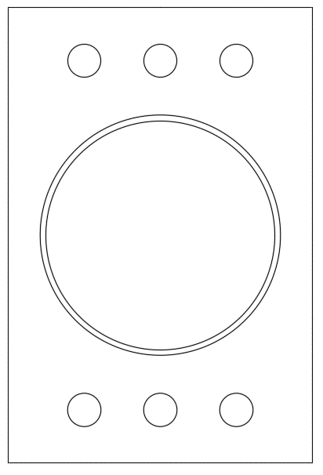
 |  |  | 0.46 |  |  |  |  |  |  |  |  |  | 13 | Shear cap/bolt | 33 | 33 | 33
 | t |  | 20 | mm |  |  |  |  |  |  |  |  | 14 | Moment cap | 11 | 11 | 11
 |  |  | 135.69 | kN |  |  |  |  |  |  |  |  | 15 | Tension cap | 406 | 406 | 406
 | Shear Capacity | Vds | 32.60 | kN | OK |  |  |  |  |  |  |  | 16 | Shear cap | 261 | 261 | 261
 |  |  |  |  |  |  |  |  |  |  |  |  | 17 | End Plate Dia | 145 | 145 | 145
ii | Tension Capacity |  |  |  |  |  |  |  |  |  |  |  | 18 | End plate thk | 20 | 20 | 20
 |  | Tb1 | 0.9*fub*An/1.25 |  |  |  |  |  |  |  |  |  | 19 | Plate moment capacity | 10.06 | 10 | 10
 |  |  | 50.81 | kN |  |  |  |  |  |  |  |  | 20 | Bending stress on plate | 348 | 348 | 348
 |  | Tb2 | fyb*Asb/1.1 |  |  |  |  |  |  |  |  |  | 21 | Allowable Bending stress on plate | 300 | 300 | 300
 |  |  | 65.80 | kN |  |  |  |  |  |  |  |  | 22 | Stiffner Len | 50 | 50 | 50
 |  | Tb | 50.81 | kN | OK |  |  |  |  |  |  |  | 23 | Stiffner Ht | 34 | 34 | 34
 | Combined shear& tension |  | (Vsb/Vdb)^2+(Tb/Tdb)^2<=1 |  |  |  |  |  |  |  |  |  | 24 | Stiffner thk | 6 | 6 | 6
 |  |  | 0.85 |  | OK |  |  |  |  |  |  |  | 25 | Bending stress on stiff | 44 | 44 | 44
 |  |  |  |  |  |  |  |  |  |  |  |  | 26 | Shear stress on stiff | 136 | 136 | 136
7 | END PLATE THK CHECK |  |  |  |  |  |  |  |  |  |  |  | 27 | Allowable Bending stress on stiff | 318 | 318 | 318
 | Force acting/bolt |  |  |  |  |  |  |  |  |  |  |  | 28 | Allowable Shear stress on stiff | 226 | 226 | 226
 | Tension |  | 40.76 | kN |  |  |  |  |  |  |  |  | 29 | Stiffner weld req | 3 | 3 | 3
 | Allowable prying force |  | 10.05 | kN |  |  |  |  |  |  |  |  | 30 | Stiffner weld provide | 3 | 3 | 3
 | lv |  | 18 | mm | IS 800,pg 77 |  |  |  |  |  |  |  | 31 | End plate thk without stiffner, req | 19.31 | 19.31 | 19.31
 | Mp |  | 0.73 | kNm |  |  |  |  |  |  |  |  | 32 | End plate thk with stiffner, req | 10.10 | 10.10 | 10.10
 | tmin |  | 8.21 | mm | OK

 | Prying force |  | (lv/(2*le))*(Te-(B*N*f0*be*t^4)/(27*le*lv^2)) |  |  |  |  |  |  |  |  |  | b | 70 | mm |  | Bolt tension capacity | -
 | lv |  | 20 | mm |  |  |  |  |  |  |  | Thickness of plate | d | 40 | mm |  | Tension in bolt acting | #DIV/0!
 | le |  | 1.1*t*sqrt((B*fo)/fy) |  |  |  |  |  |  |  |  |  | M | 0E+00 | Nmm
 |  |  | 18.00 | mm |  |  |  |  |  |  |  |  | Z, elastic | 18666.666667 | mm3 | b*d^2/6 | 373333.33333
 | B |  | 2 |  |  |  |  |  |  |  |  |  | stress | 0 | N/mm2
 | N |  | 1.5 |  |  |  |  |  |  |  |  |  |  |  |  |  | 25.805624591 |  |  |  | - |  | Req. thk | - | mm
 | be |  | 145 | mm |  |  |  |  |  |  |  |  | Allowable stres | 290.90909091 | N/mm2 |  | 4.3009374318
 | fo |  | 0.7*fub |  | IS800, pg76
 |  |  | 448 | N/mm2 |  |  | Outer dia | 145 | mm
 | t |  | 20 | mm |  |  | Inner dia | 76.1 | mm
 | Q |  | -89.02 | kN |  |  | No. of bolts | 8 | nos
 | Allowable prying force |  | 10.05 | kN |  |  | Bolt force | 50.81 | kN
 | Acting prying force |  | 89.02 | kN | OK |  | Udl len | 2.094224924 | mm
 | T+Q |  | 40.76 | kN |  |  | Udl,p | 1.54 | kN/mm
 | Combined shear& tension |  | (Vsb/Vdb)^2+(Tb/Tdb)^2<=1 |  |  |  | e | 16.45 | mm
 | Shear acting |  | 14.98 | kN |  |  | Moment | 835,863.50 | Nmm | 1.69
 | Shear capacity |  | 32.60 | kN |  |  | thk req | 23.65 | mm
 | Tension acting |  | 40.76 | kN
 | Tension capacity |  | 50.81 | kN |  |  |  | FALSE
 | Combined shear& tension |  | 0.85 |  | OK
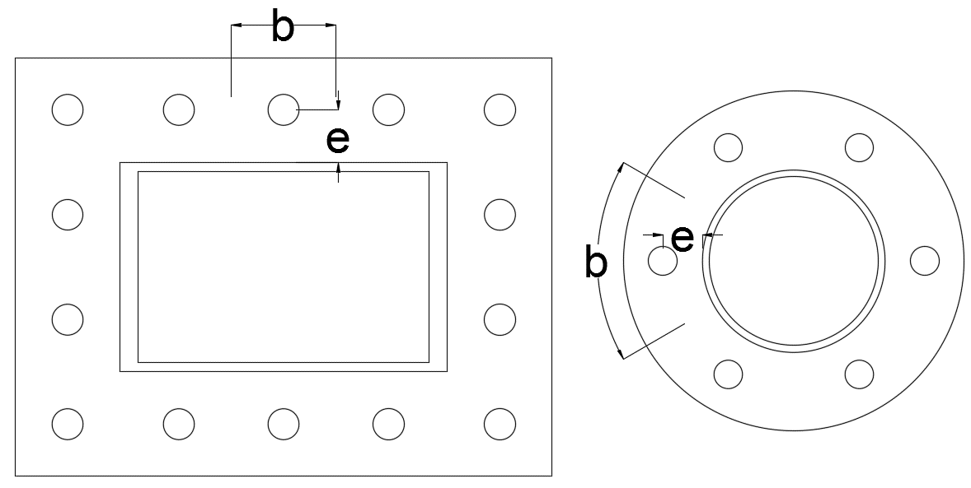
 | Check for end plate thickness without stiffeners
 | Width | b | 29.88 | mm
 | Depth(thk of plate) | d | 20.00 | mm
 | Force |  | 50.81 | kN
 | lever arm | e | 16.45 | mm | 15
 | Moment acting( using bolt capacity) | M | 835,863.50 | Nmm | SQRT((4*D98)/(D94*(D42/1.1)))
 | Plastic section modulus | Zp | 2988.44 | mm3
 | Thickness required | d,req | 19.31 | mm | OK
 |  |  |  |  | 3,343,454.01
 |  |  |  |  | 8965.3200352
8 | CHECK FOR TENSION
 | Tension acting in furthest bolt | Tbending | MAX(Md*Y1/sum(Y^2),Md*X1/sum(X^2))
 |  |  | 30.79 | kN | OK |  |  |  |  |  |  |  |  |  |  |  |  |  |  |  |  |  |  | Tot. no. of bolts | 8
 | Axial tension per bolt | Taxial | 40.76 | kN | OK |  |  |  |  |  |  |  |  |  |  |  |  |  |  |  |  |  |  | lever arm, r | 55
 | Max tension in bolt | Tmax | 40.76 | kN | OK |  |  |  |  |  |  |  |  |  |  |  |  |  |  |  |  |  | Polar moment of inertia | nos*r^2 | 24200
 | Combined shear& tension |  | 0.85 |  | OK |  |  |  |  |  |  |  |  |  |  |  |  |  |  |  |  | MOI of Bolt group calculation
 |  |  |  |  |  |  |  |  |  |  |  |  |  |  |  |  |  |  |  |  |  | No. of bolts | Angle to hor |  | L1-h | L2-v | Iy | Ix | min
9 | WELD FOR SECTION |  |  |  |  |  |  |  |  |  |  |  |  |  |  |  |  |  |  |  |  | nos | deg | rads | mm | mm | mm2 | mm2 | mm2
 | Weld size | S | 6 | mm | 5.14 |  |  |  |  |  |  |  |  |  |  |  |  |  |  |  |  | 4 | 45 | 0.79 | 38.89 | 38.89 | 6,050.00 | 6,050.00 | 6,050.00
 | Constant for fusion angle |  | 0.7 |  | For 90 deg weld |  |  |  |  |  |  |  |  |  |  |  |  |  |  |  |  | 6 | 60 | 1.05 | 27.50 | 47.63 | 9,075.00 | 9,075.00 | 9,075.00
 | Ultimate stres of weld | fuw | 490 | N/mm2 |  |  |  |  |  |  |  |  |  |  |  |  |  |  |  |  |  | 8 | 45 | 0.79 | 38.89 | 38.89 | 12,100.00 | 12,100.00 | 12,100.00

 | Shear check |  |  |  |  |  |  |  |  |  |  |  |  | Moment capacity of Plate at rupture ( along bolt plane) |  |  |  |  |  |  |  |  |  | Member BM, Mp | 6.8 | kNm | MOI of bolt group
 | Strength | fwd | fu/(sqrt(3)*Ymw) |  |  |  |  |  |  |  |  |  |  | Bolt dia | d | 13 |  |  |  |  |  |  |  | Tensile force due to BM | 30.79 | kN | 12100 |  | Mom. Cap. Bolt | 11.18 | kNm
 |  |  | 226.32 | N/mm2 |  |  |  |  |  |  |  |  |  | Thickness of plate | bs | 20 | mm |  |  |  |  |  |  |  |  |  |  |  | Mom. Cap. Bolt/bolt | 1.40 | kNm | 1490
 | length of weld for shear | lw | 239.08 | mm |  |  |  |  |  |  |  |  |  | Depth of section | ds | 95.62 | mm
 | Throat thk | tt | 4.20 | mm |  |  |  |  |  |  |  |  |  |  |  |  |  | No. of bolts @ rupture section | Dis b/w bolts | Distance from NA
 | Shear load | Ps | 119.87 | kN |  |  |  |  |  |  |  |  |  | MOI of plate at rupture section | 1457313.7941 | mm4 |  | 1 | 38.9 | 0.0
 |  | fa | P/tt*lw |  |  |  |  |  |  |  |  |  |  | Effective MOI of plate at rupture | 1457313.7941 | mm4 | Eff. Means reduction of bolt holes in MOI
 |  |  | 119.37 | N/mm2 | OK
 | Tension check |  |  |  |  |  |  |  |  |  |  |  |  | Z | 30,480.00 | mm3
 | Strength | fwd | fu/(sqrt(3)*Ymw) |  |  |  |  |  |  |  |  |  |  | M | 10.06 | kNm | OK
 |  |  | 226.32 | N/mm2 |  |  |  |  |  |  |  |  |  | 300.00 | 222.25 | N/mm2
 | length of weld for shear | lw | 239.08 | mm
 | Throat thk | tt | 4.20 | mm |  |  |  |  |  |  |  |  |  |  |  |  |  |  |  |  |  | 4 nos of bolts |  |  |  | 6 nos of bolts |  |  |  | 8nos of bolts
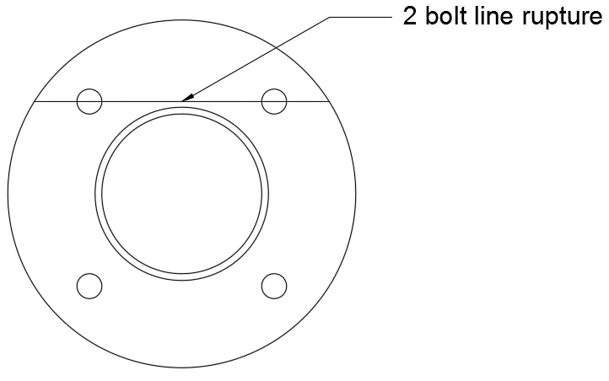
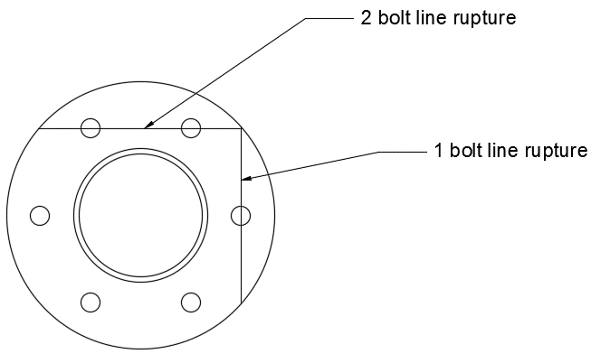
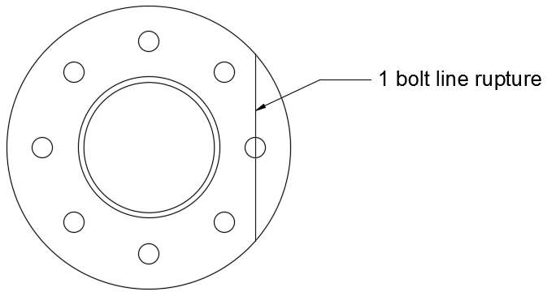
 | Tension load | Pa | 326.12 | kN |  |  |  |  |  |  |  |  | Chord length calculation ( Rupture plane depth )
 |  | fa | P/tt*lw |  |  |  |  |  |  |  |  |  |  | x | y |  | x1 | y1
 |  |  | 324.78 | N/mm2 | Check |  |  |  |  |  |  |  | p1 | 0 | 72.5 | 72.5 | 0 | 1
 |  |  |  |  |  |  |  |  |  | Angle of rot | 45 | 0.785 | p2 | -51.27 | 51.265241636 | 72.5 | -0.71 | 0.71
10 | END PLATE CHECK |  |  |  |  |  |  |  |  | Length | 54.5 | 18 | p3 | -38.54 | 38.54 | 54.5 | -0.71 | 0.71
 | No. of stiffner |  | 6 | nos |  |  |  |  |  |  |  |  | p4 | -38.54 | 0.00 | 38.5 | -1.00 | 0.00
 | Area of end plate |  | 15693 | mm2 | 820 | 14873 |  |  |  |  |  |  |  |  | Depth along 2 bolts | 122.82
 | Thk of end plate |  | 20 | mm |  |  |  |  |  |  |  |  |  |  | Depth along 1 bolt | 95.62
 | Force on plate |  | 326 | kN
 | Max. Cantilever portion |  | 58 | mm
 | Bending stress on plate |  | 348.14 | N/mm2 |  | 4*q*a^2/2/t^2 |  | Plate thk available
 | Allowable bending stress |  | 300.00 | N/mm2 | Provide stiffner |  |  | 8
 | Stiffner length | a | 58 | mm |  |  |  | 10
 | Stiffner ht | b | 34 | mm |  |  |  | 12 |  |  |  |  | 3 Edges Fixed
 | Stiffner thk | ts | 6 | mm |  |  |  | 16 |  |  |  |  | Roorks table Pg 518
 |  | q | 20.78 | N/mm2 |  |  |  | 20 |  |  |  |  | a/b | β3 | β2 | β1
 |  | a/b | 1.70 |  |  |  |  | 25 |  |  |  |  | 0.25 | 0.031 | 0.016 | 0.02
 |  | B | 1.27 |  |  |  |  | 30 |  |  |  |  | 0.50 | 0.126 | 0.066 | 0.081
 | Allowable stress |  | 300 | N/mm2 |  |  |  | 36 |  |  |  |  | 0.75 | 0.286 | 0.148 | 0.173
 | Design plate thk |  | 10.10 |  |  |  |  | 40 |  |  |  |  | 1.00 | 0.511 | 0.259 | 0.321
 | Provided plate thk |  | 12.00 |  |  |  |  |  |  |  |  |  | 1.50 | 1.073 | 0.484 | 0.727
 | Actual stress for provided thk | σb | 212.44 | N/mm2 | OK |  |  |  |  |  |  |  | 2.00 | 1.568 | 0.605 | 1.226
 |  |  |  |  |  |  |  |  |  |  |  |  | 3.00 | 1.982 | 0.519 | 2.105

 |  |  |  |  |  |  |  |  |  |  | Requried | a/b | 1.7025 | 1.27 | 0.53 | 0.93
11 | Stiffner design |  |  |  |  |  |  |  |  |  |  |  | σb , N/mm2 | 76.48 | 32.01 | 55.80
 | Stiff len along pipe |  | 50 | mm
 | Area of stiffness plate | Asp | 1458 | mm2 |  | 6
 | Dis to equal area axis from end plate |  | 13 | mm | 15.90
 | Plastic section modulus | Zps | 15900 | mm3 | 10800 |  |  | 50
 | Contibutary width of stiffener plate |  | 58 | mm | 10.8
 | UDL on stiffener plate |  | 1203 | N/mm |  | 12.59
 | span of stiffener plate |  | 34 | mm |  |  |  | 20
 | Bending Moment |  | 0.70 | kNm
 | Bending stress |  | 43.73 | N/mm2 |  |  | 58
 | Shear stress |  | 136.33 | N/mm2
 | Allowable shear stress |  | 226.32 | N/mm2 | oK | 15899.67497 |  | 1157.6768928
 | Allowable bending stress |  | 318.18 | N/mm2 | oK |  |  | 300

12 | WELD FOR STIFFNER
 | Load on the Weld = wsp*lsp |  | 40.90 | kN
 | Effective weld length(l) |  | 100.00 | mm
 | Min Size of weld required |  | 3 | mm
 | Strength of weld |  | 226.32 | N/mm2
 | Shear stress in the weld (q) |  | 408.98 | N/mm2
 | Size of weld required |  | 2.58 | mm | Safe
 | Plastic Section modulus of weld(zpw) |  | 1550 | mm3
 | Axial Stress in the weld |  | 448.56 | N/mm2
 | due to moment(f)
 | Size of weld required |  | 2.83 | mm | Safe
 | Size required |  | 3.00 | mm
 | Provided size |  | 3 | mm | Safe

